Sheet1
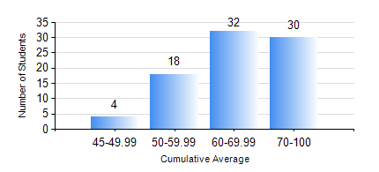
 |  |  | KWAME NKRUMAH UNIVERSITY OF SCIENCE AND TECHNOLOGY, KUMASI Department of Computer Engineering

 |  |  | BSC. BIOMEDICAL ENG.

 |  |  | COMPREHENSIVE RECORD OF EXAMINATION RESULTS

 |  |  | RESULTS OF YEAR 1 SECOND SEMESTER, 2024/2025 ACADEMIC YEAR

 | Sn | Course Code |  | Course Name | Credit Hours | Min. Mark | Max. Mark | Avg. Mark | Std. Dev. | No. Passed | No. Trailed | No. (Df) | No. (I) | No. (I*) | No. Tagged(I,I*,Df) | Total
 | 0. |  |  |  |  |  |  | 0 | 0 | 0 | 0 | 0 | 0 | 0 | 0 | 1
 | 1. | COE 152 |  | BASIC ELECTRONICS | 3 | 27 | 96 | 72 | 12.28 | 82 | 1 | 0 | 0 | 0 | 0 | 83
 | 2. | ENGL 158 |  | COMMUNICATION SKILLS II | 2 | 51 | 78 | 65 | 7.38 | 83 | 0 | 0 | 0 | 0 | 0 | 83
 | 3. | MATH 152 |  | CALCULUS WITH ANALYSIS | 4 | 43 | 89 | 63 | 11.58 | 83 | 0 | 0 | 0 | 0 | 0 | 83
 | 4. | ME 166 |  | APPLIED THERMODYNAMICS | 2 | 41 | 96 | 75 | 15.4 | 83 | 0 | 0 | 0 | 0 | 0 | 83
 | 5. | PHY 154 |  | PROPERTIES OF MATTER | 2 | 44 | 84 | 61 | 10.88 | 83 | 0 | 0 | 0 | 0 | 0 | 83
 | 6. | SOC 152 |  | INTRODUCTION TO SOCIOLOGY II | 3 | 20 | 78 | 61 | 10.88 | 82 | 1 | 0 | 0 | 0 | 0 | 83
 | 7. | SSN 166 |  | BIOCHEMISTRY | 2 | 34 | 75 | 57 | 9.47 | 81 | 2 | 0 | 0 | 0 | 0 | 83

